Data Cleaning Instr.
Data Cleaning Tool
Instructions

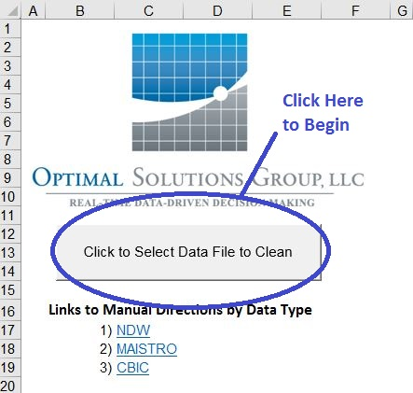

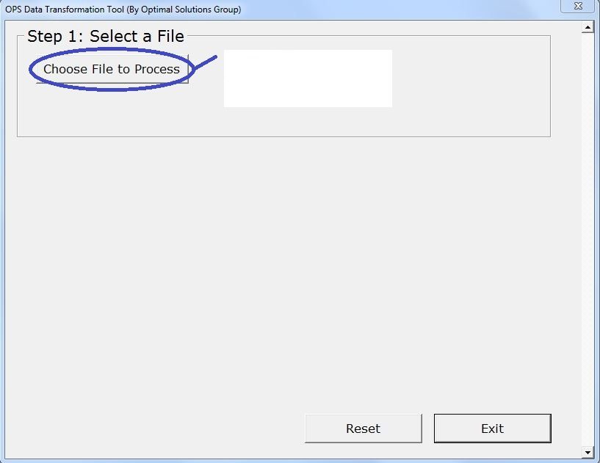

Click here to choose the file
you would like to clean.

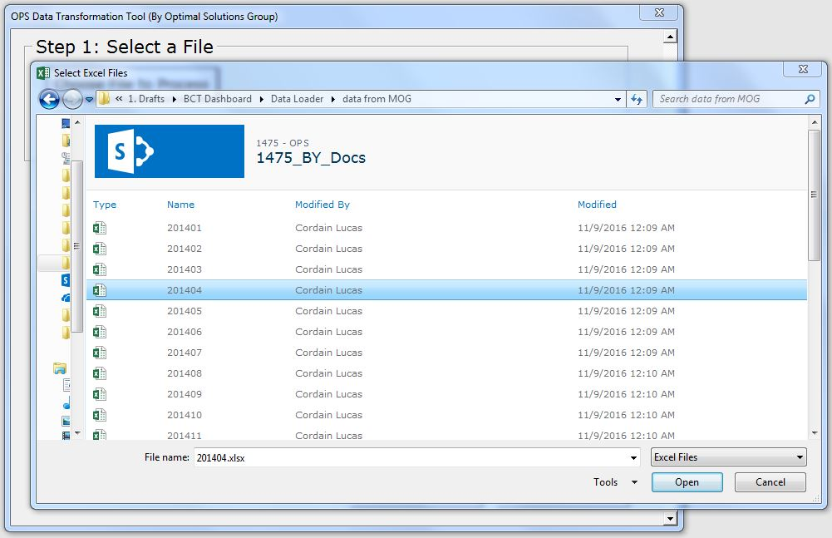

Choose the file you would
like to clean.

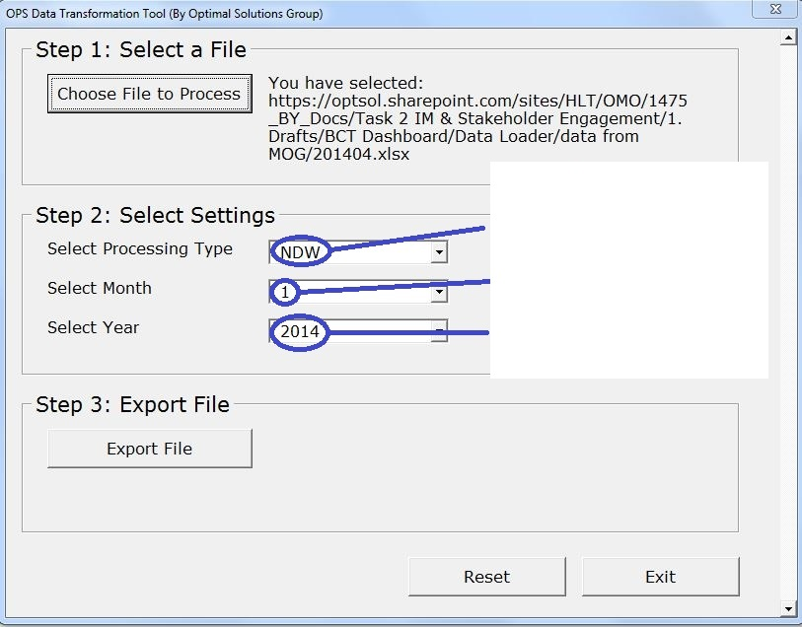

Once you have chosen the file you would like to process, use the drop downs to select:
1) The Type of Data to process
2) The Month for the Data
3) The Year for the Data

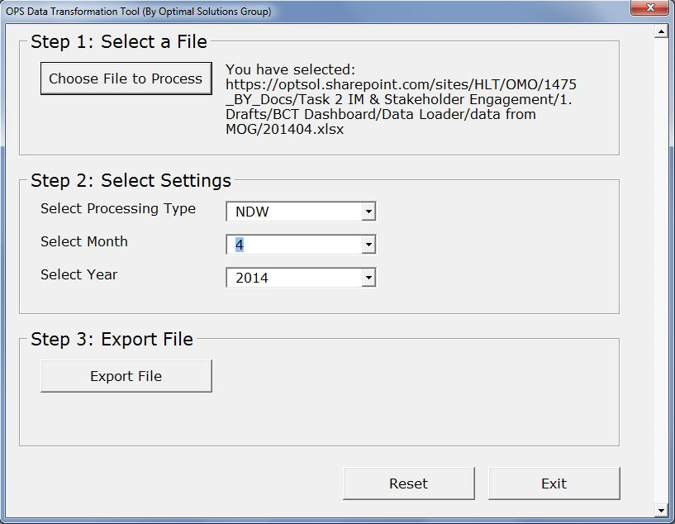

Click here to clean and
export the file you have chosen.

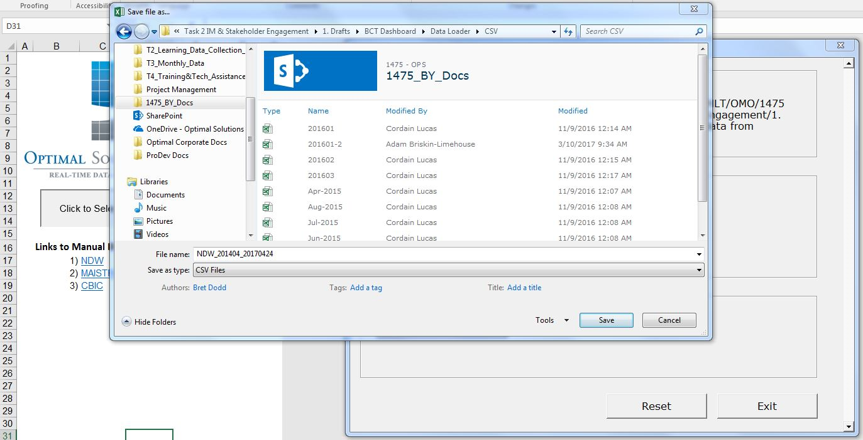

Lastly - name the file and
save it as a CSV File.

Data Cleaning Tool


Links to Manual Directions by Data Type
1) | NDW
2) | MAISTRO
3) | CBIC

NDW Cleaning Instr.
National Data Warehouse Data File Manual Cleaning Instructions

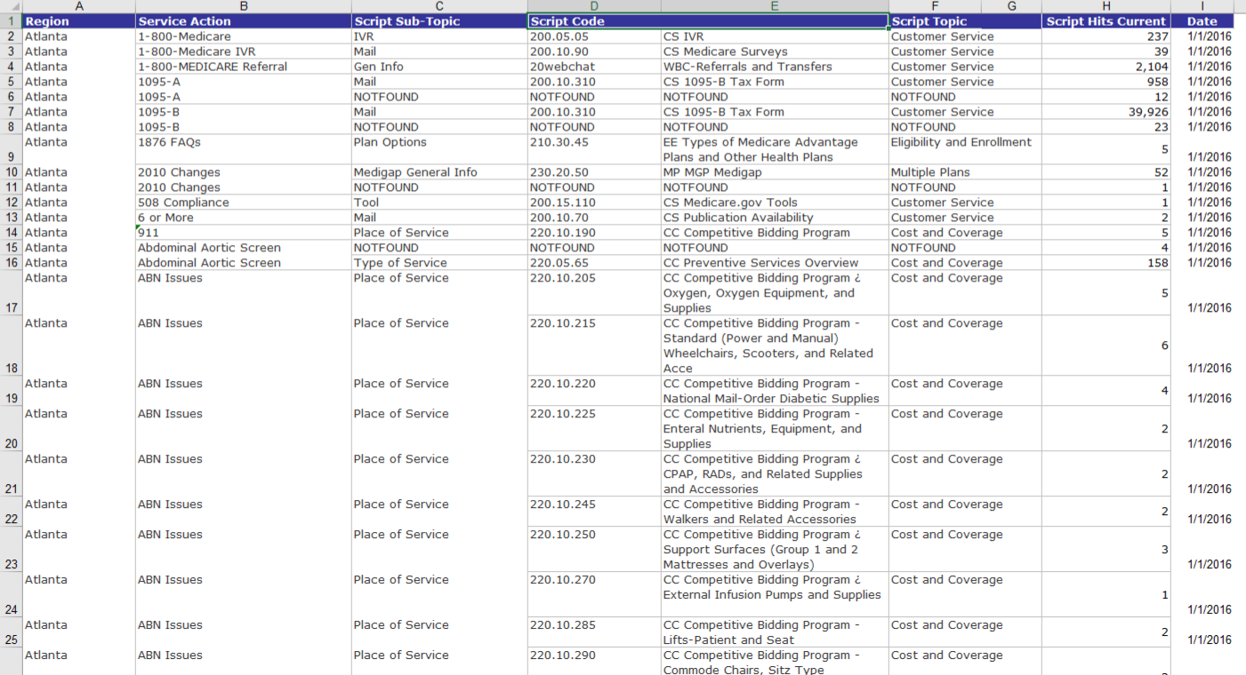
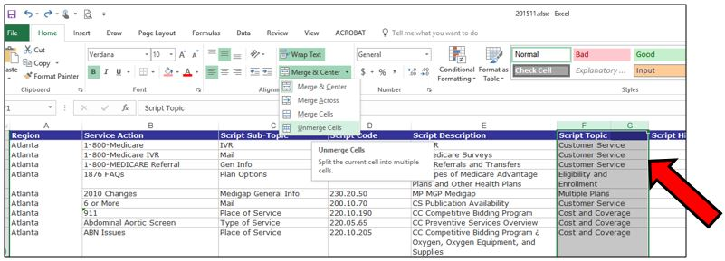
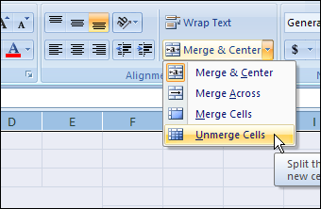
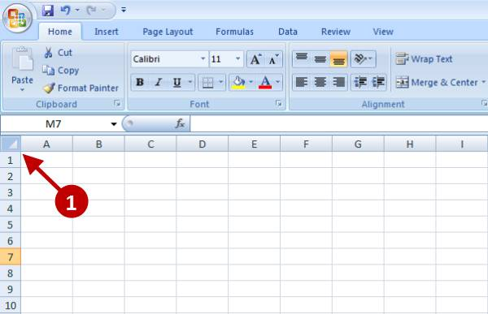
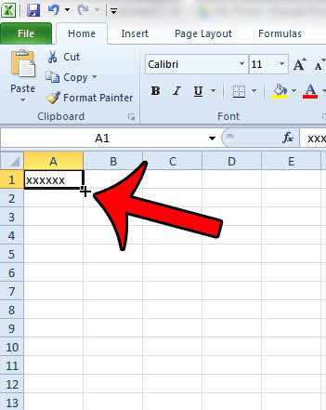
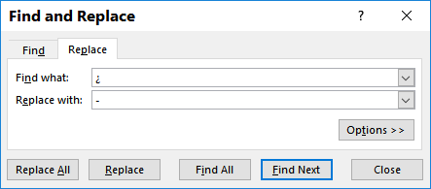
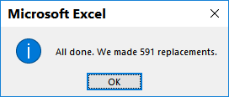
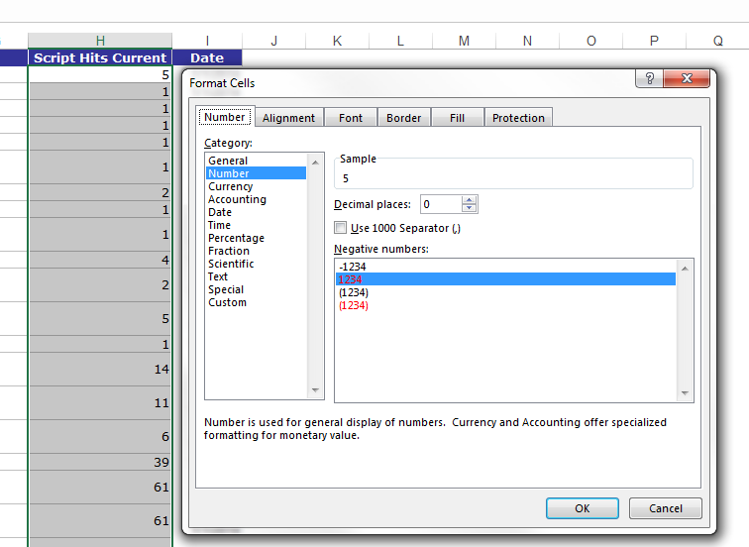
1. Generate a file from MicroStrategy that the file contains the following data fields:
● Region
● Script Topic
● Script Sub-Topic
● Script Code
● Script Description (generates from MicroStrategy in a blank column and linked to Script Code)
● Service Action
● Script Hits Current
2. Unmerge the two columns (often F and G)
● Select the two columns and click Unmerge Cells in the Alignment Menu
3. Remove blank column (often column G).
● Excel short cut: Select column, right click and select Delete.
4. Ensure the report is in TABULAR FORMAT, which means there are no merge cells _ and every record has a value for every column.
● PLACEHOLDER for MicroStrategy settings for a tabular report:
● Excel manual process:
○ Select the entire sheet by clicking on the box with the triangle in _ the top left corner of the sheet, click Unmerge, and fill in missing _ values.
○ To fill in missing values
a) Select the value and blank cells to be filled and press Control +D
OR
b) Select the value, find the + cursor by hovering the mouse in the _ corner of the cell, and double click.
5. Enter a title for Script Description column. This is the column next to Script Code that is untitled.
6. Add “Record Type” column.
● Enter “NDW” as the value for the Record Type for all records.
● Excel short cut: Select the value, find the + cursor, and double click.
7. Add a “Date” column
● This has likely been added in MicroStrategy.
NOTE: Must be the first day of the reporting month in the MM/DD/YYYY format.
● Excel short cut: Enter the date value into the first three rows. Select all three cells. _ Select the value, find the + cursor, and double click.
8. Remove special or odd characters for all records. Special or odd characters appear in place of _ dashes or apostrophes.
● Special characters identified include ¿ and Ë.
● Run a find on each and replace with a dash (-).
● A confirmation message will indicate the number of replacements made.
○ Depending on the data, a different number of replacements will occur each month. _ Note that if a unique combination of reason categories had no Script Hits in a _ month, the record will not appear in the NDW data. There are no records with zero _ Script Hits.
9. Format all script hit values as “Number” (zero or no decimal points, no comma separator)
● Select the Script Hits Column Values
○ Excel Short Cut:
a) To select the Script Hits column values first select the first value in the __column after the column title and then press
__CONTROL+SHIFT+ DOWN ARROW.
b) Right Click, select Format Cells
c) Format cell as number with no commas and no decimal places. Press ok.
10. Save file as .csv or “comma delimited” file as that is what the Data Import tool will accept.
__ Note that saving to CSV will strip out all formatting from the data file.

 | To Top

MAISTRO Cleaning Instr.
Coming Soon!

CBIC Cleaning Instr.
Coming Soon!

